BD Workflow
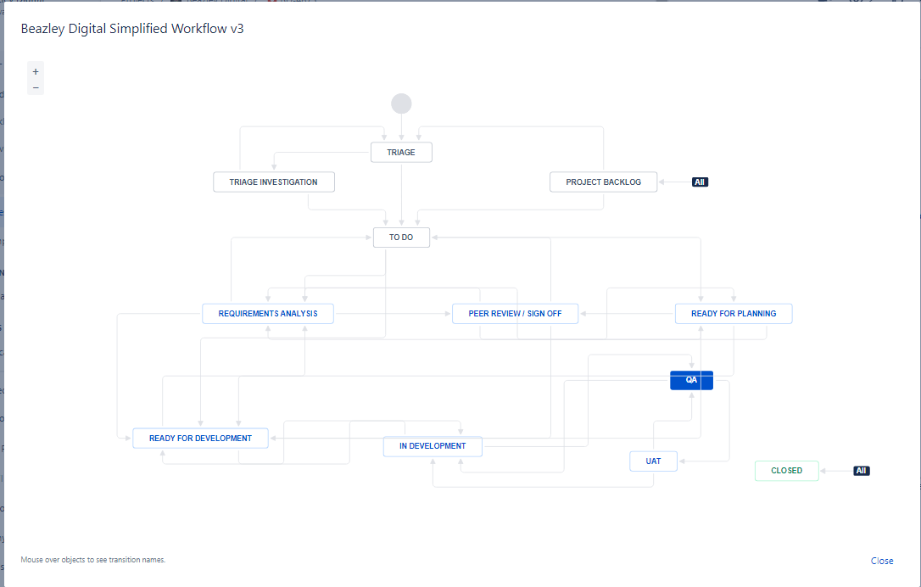

Quote taxes vs no taxes
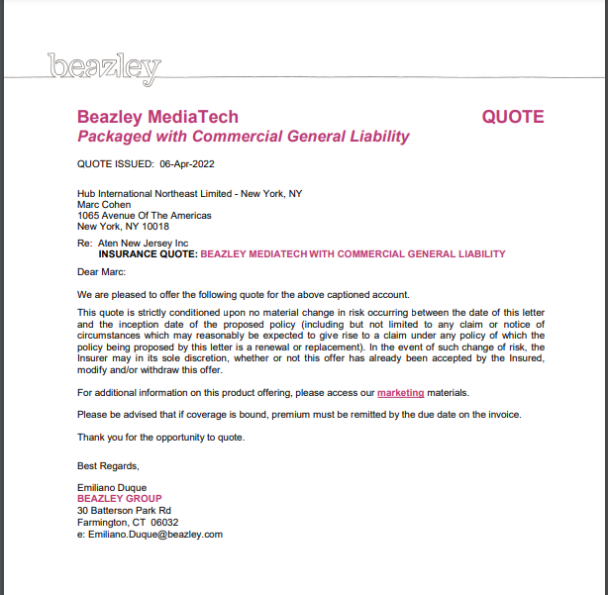
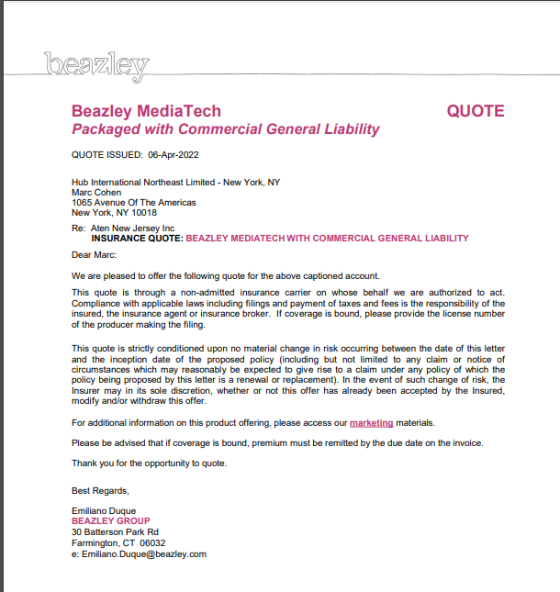
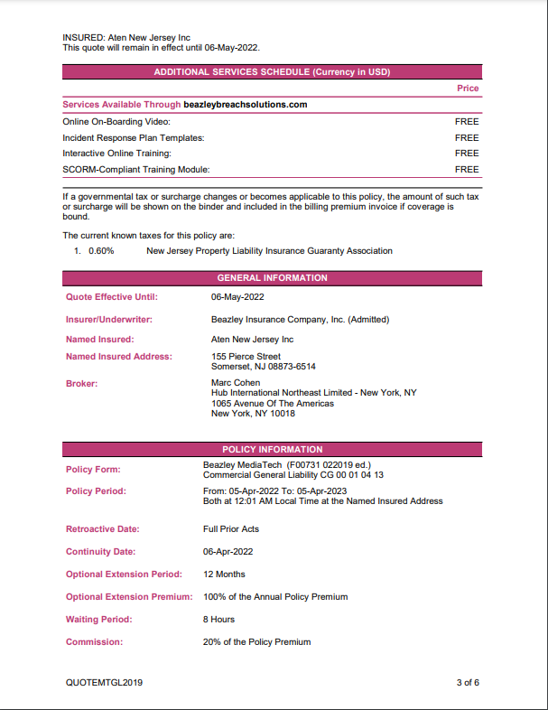
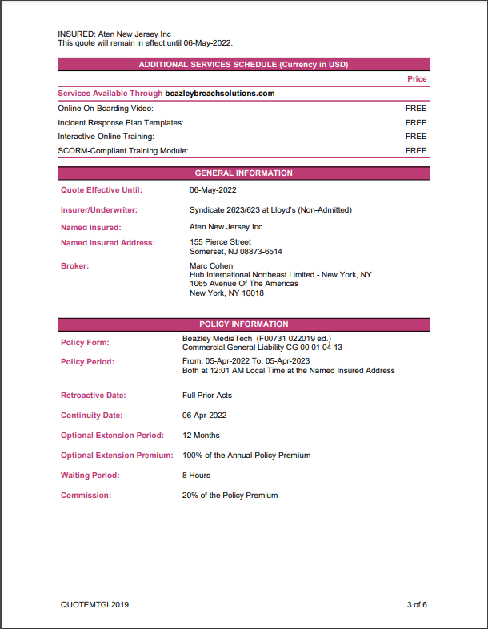
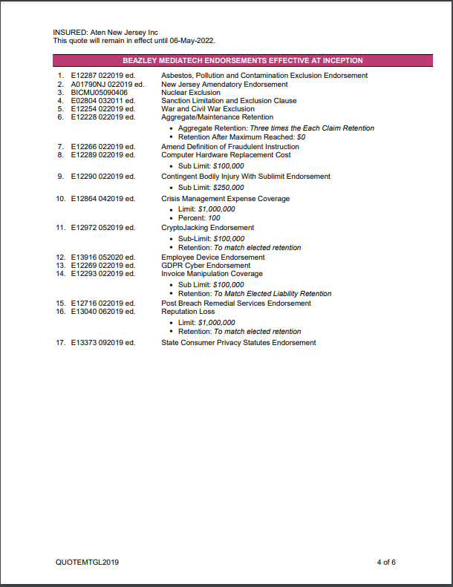
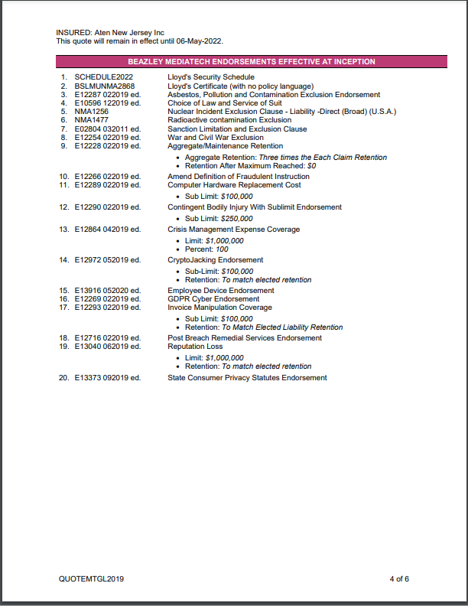
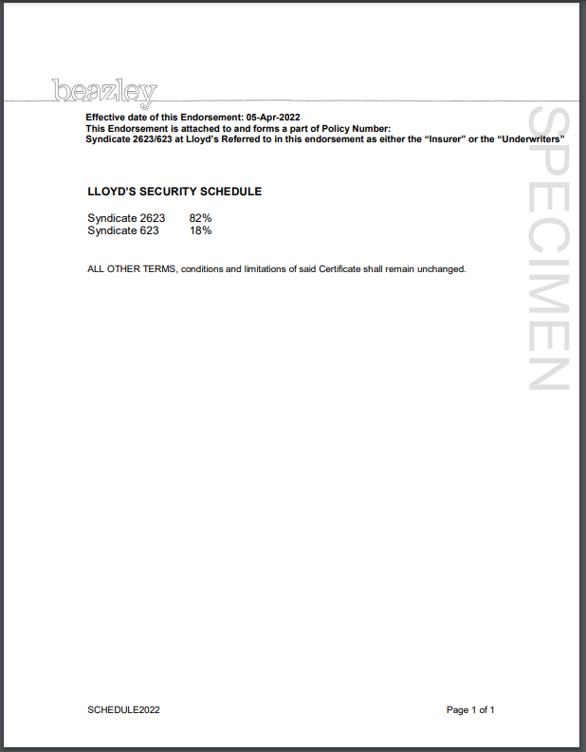
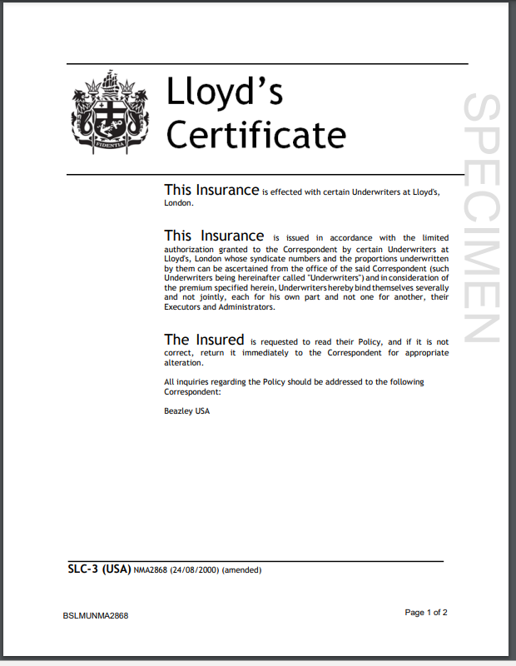
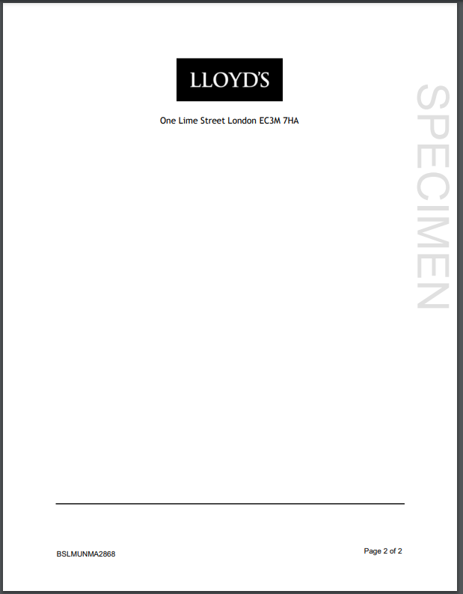
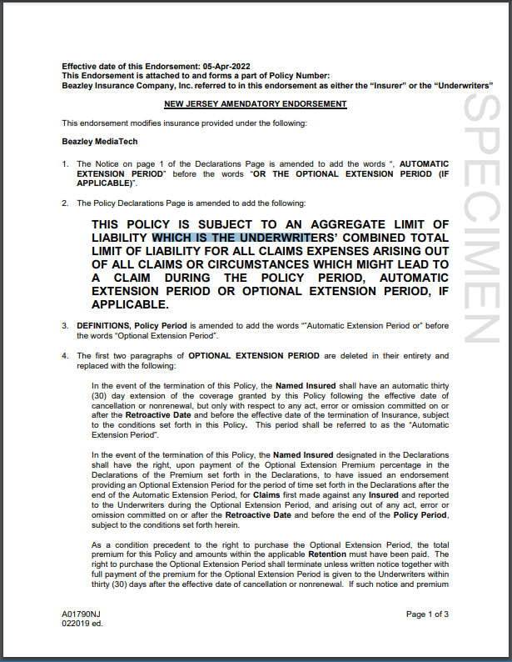
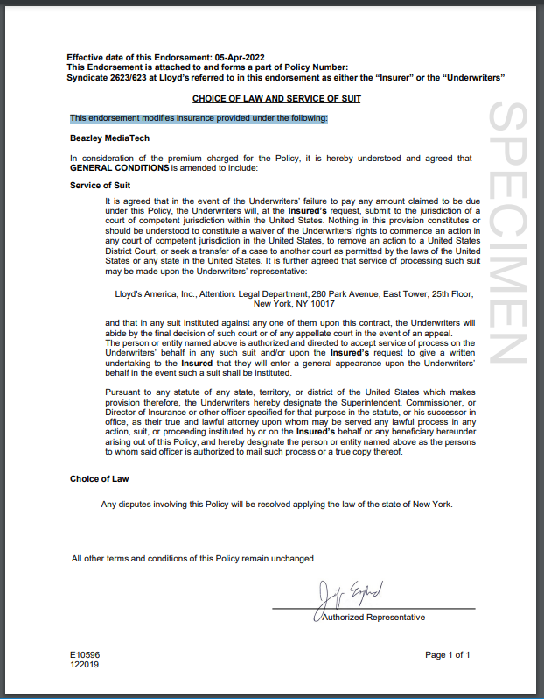
For this example I am going to use BMT + GL

Admitted | Surplus

Renewals-Manual
Rapid | RAPID RENEWAL ELIGIBILITY RULES | Status: Not Started | And in the Risk Information / Rapid Renewal = YES | Is easy and has the same flow as the others
Non Rapid |  | Status: Staged | And in the Risk Information / Rapid Renewal = NO | This requires a clearance from insight

If your policy is new, it finishes with AA
If the policy has a renewal, the last letters will be AB, AC, AD

There are several terms
Current term
Renewal Quote
Prior Policy

Renewals from UI

Open a Policy that ends AA
Go to Policy button and select Create a Renewal Quote
A pop up window shows up
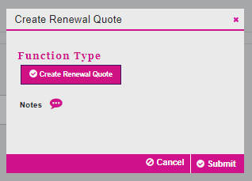

Click Submit. | Term= Renewal Qote (2), Status= Not Started, Rapid Renewal = YES
Go to Claims Present = NO
Complete de Subjectivities
Save and Exit
Policy save | Changes the statust from Not started to Status= Quote Saved
Verify deliverables in the email and Attachment
Close the email window
Verify Documents

Renewals-Automatic
AUTOMATIC RENEWALS
MANUAL RENEWALS

Must have an Isusued Policy
It is done 120 days before expiration.
For testing prepare a policy using "Renewal effective date calculator"
Must have an Isusued Policy
For testing prepare a policy using "Renewal effective date calculator"

Does it comply with the criteria in "Rapid Renewal Eligibility" file?
YES
NO

Non Rapid
Status = Staged
Policy = *******AB
Rapid
Status = Not Started
Policy = *******AB

Clearance form Insight is needed

GC/UWP
Amend
Continue
Claim Present (Yes/No)
Subjectivities/Edit/Complete/Save
Save Policy/Save and Exit
Policy Save
Status = Quote Saved
INSIGHT
Policy/Reference Policy Number
(Enter the policy that expired ---AA)
Information populates
Click on CLEAR AS RENEWAL
Status = Not Started

Continue as a Rapid Renewal flow
Check Documentation:
-Renewal Media Tech Endorsement
-Renewal Quote Letter
-Renewal Questionaire

GC/UWP
Policy Bind
Rate Change Pop up window
Just click save
email
Status = Bound

Check Documentation:
-Binder Letter
-Invoice

GC/UWP
Policy Issue
Rate Change Pop up window
Just click save
email
Status = Issued

Check Documentation:
-Policy Declaration

Cancellation
